Hiearchy View
Class: LOW POINT DRAIN
drainage system used to collect and remove water from an area. The system consists of a series of pipes that are installed on a slope or other type of low-lying area | 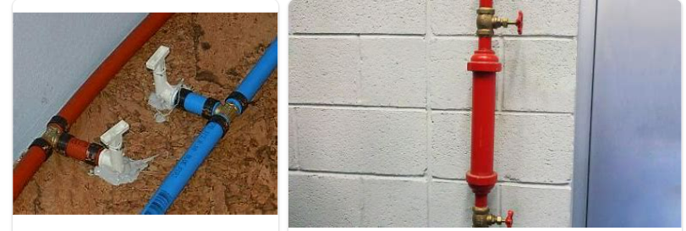
REMOVE | N

PROBLEM_DESC | CAUSE_DESC | REMEDY_DESC
ALARM/SENSOR
BROKEN/DAMAGED
LEAKING
LIGHTING
NOISE
OTHER PROBLEM
OVERHEATING
PESTS
POWER-ELEC
PRESSURE
SMELL
STOPPED/SLOWED/POOR OPS
TEMP-CTRL
VIBRATION
Grand Total

